Wireframe
Wireframe 1
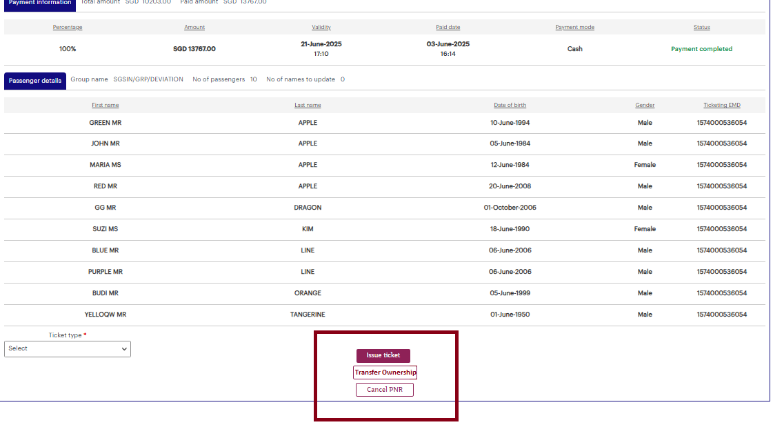
 |  | Payment is NOT mandatory to enable the PNR Transfer Ownership

Wireframe 2

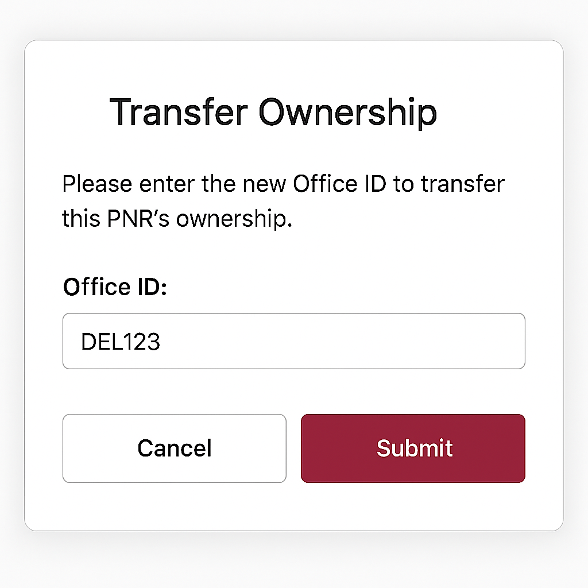

 | # P Pseudo office identifier (P). This is any identifier that is not defined by Amadeus # G Global core office identifier (G) for any Amadeus Office ID

